Dashboard
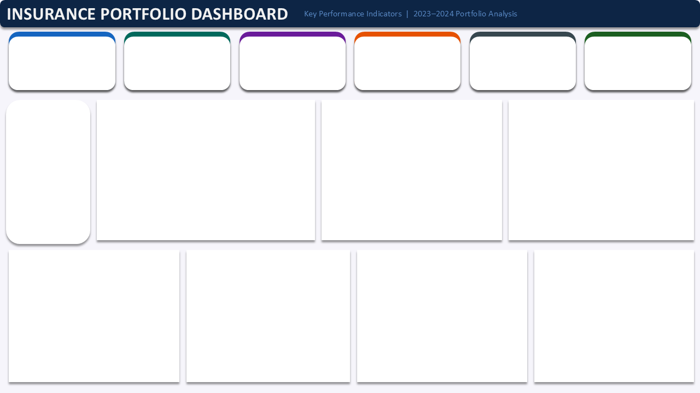

Total Policy
Total Premiums
Total Claims Paid
Claims Ratio
Average Premium
Approval Rate
₹ 4,47,183
₹ 2,14,024
48%
₹ 1,775
59%
252

Avg Premium vs Avg Amount by Policy Type
 | Average of Annual_Premium | Average of Claim_Amount
Auto | ₹ 1,917 | ₹ 874
Health | ₹ 2,564 | ₹ 1,230
Home | ₹ 2,083 | ₹ 921
Life | ₹ 1,537 | ₹ 822
Travel | ₹ 820 | ₹ 403
Active Agents
Monthly Policy Trend
 | Total
January | 30
February | 24
March | 18
April | 14
May | 19
June | 23
July | 22
August | 18
September | 20
October | 27
November | 19
December | 18

8

Policies With Claim
49%

Claim by Region
 | Total
Central | ₹ 49,037
East | ₹ 40,838
North | ₹ 49,314
South | ₹ 39,231
West | ₹ 35,604
Total Premiums by Agents
 | Total
Yusuf Bello | ₹ 44,173
Fatima Al-Hassan | ₹ 47,055
Tunde Fashola | ₹ 50,120
Amaka Obi | ₹ 50,931
Chukwudi Eze | ₹ 55,181
Ngozi Dike | ₹ 55,973
Adaeze Okonkwo | ₹ 63,029
Emeka Nwachukwu | ₹ 80,720
Total Policy by Status
 | Total
Pending | 18
Rejected | 33
Approved | 72
No Claim | 129
Total Policy by Claim Occurance
 | Total
No | 129
Yes | 123

